Sheet1
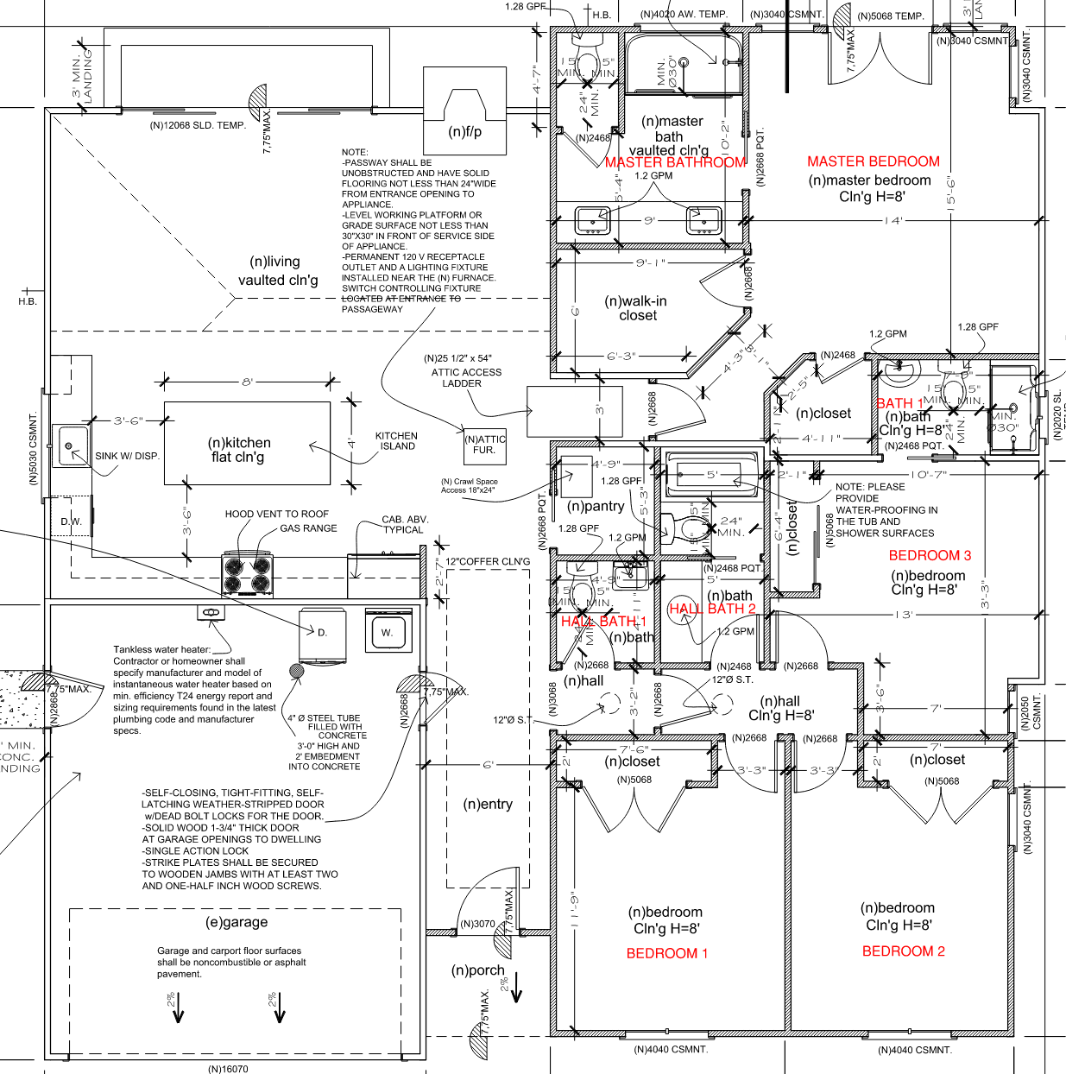
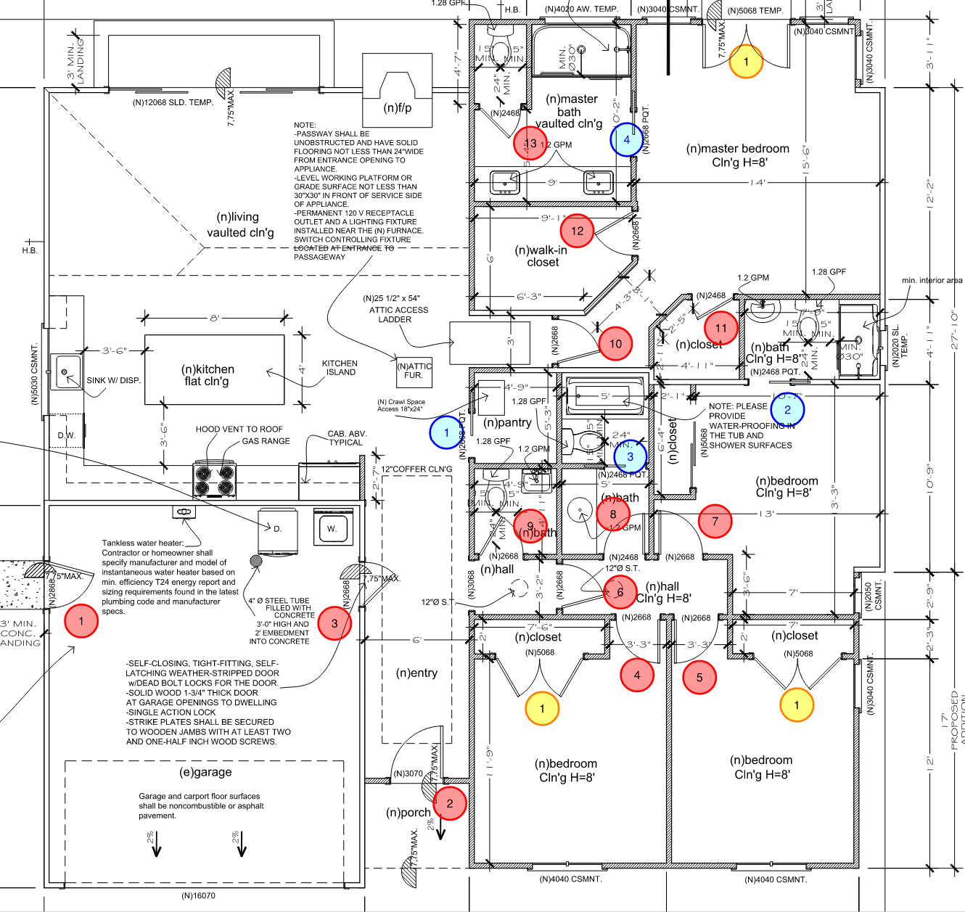
 | DOOR HARDWARE
 | Category | Item Description | Model No. | Quantity | Location | Vendor (KCC Suggestion) | Ordered by | Status (On-site, Available, Backordered) | Projected Delivery Date | Notes/Website
 | Deadbolt System |  |  | 3 | Front Door and Garage Entries
 | Door Hardware |  |  | 13 | All new door locations
 | Lock Set |  |  | 6
 | Door Stop |  |  | 12
 | Bi-Closet Hardware |  |  | 2 | Bedroom 1 and 2
 | 2-Door |  |  | 1 | Master Bedroom
 | Pocket Door Hardware |  |  | 4 | Hall Bath 2, Bath 1, Pantry, Master
 | Garage Door |  |  | 1 | Garage
 | Single Swing Doors |  |  | 13
 | Deadbolt Doors |  |  | 3 |  |  |  |  |  | Red circles 1, 2, and 3
 | Double Swing Doors |  |  | 3 |  |  |  |  |  | (2) Double Swing Doors are closets
 | Pocket Doors |  |  | 4

 | PLUMBING FIXTURES
 | Category | Item Description | Model No. | Quantity | Location | Vendor (KCC Suggestion) | Ordered by | Status (On-site, Available, Backordered) | Projected Delivery Date | Notes/Website
 | Toilet |  |  | 4 | All Bathrooms | (Belmont Hardware)
 | Kitchen Sink |  |  | 1 | Kitchen
 | Sink |  |  | 2 | Master Bathroom | (Belmont Hardware)
 | Sink |  |  | 1 | Bath 1 | (Belmont Hardware)
 | Sink | Desc |  | 1 | Hall Bath 1 | (Belmont Hardware)
 | Sink |  |  | 1 | Hall Bath 2 | (Belmont Hardware)
 | Faucet |  |  | 5 | All Bathrooms | (Belmont Hardware)
 | Shower Trim |  |  |  | All Bathrooms w/ Showers | (Belmont Hardware)
 | Shower Valve |  |  |  | All Bathrooms w/ Showers | (Belmont Hardware)
 | Showerhead |  |  | 3 | Hall Bath 2 | (Belmont Hardware)
 | Drain |  |  | 2 | Master Bathroom and Bath 1 | (Belmont Hardware) |  |  |  | Drain roughs material must be cast iron
 | Tub Drain/Overflow Drain |  |  | 1 | Hall Bath 2
 | Water Heater System |  |  |  |  |  |  |  |  | Optional.
 | Water Filtration System |  |  |  |  |  |  |  |  | Optional.
 | Garbage Disposal |  |  | 1 | Kitchen
 | Tub |  |  | 1 | Hall Bath 2 | (Belmont Hardware)
 | Washer-Dryer System |  |  | 1 pair | Garage |  |  |  |  | Reusing?
 | Fireplace |  |  | 1 | Living Room

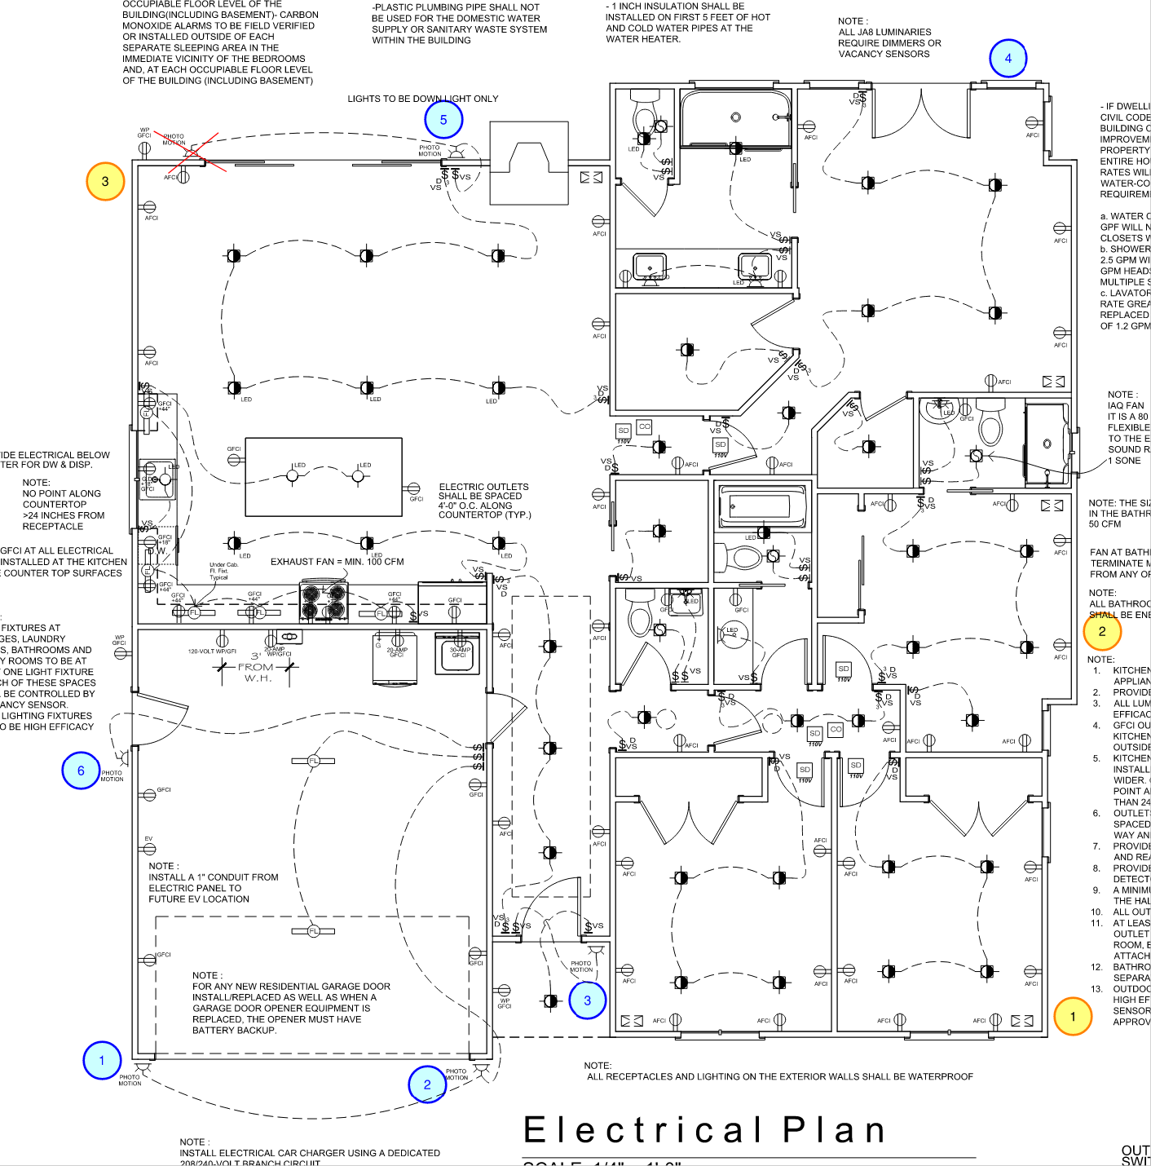
 | SURFACE MOUNTED LIGHT FIXTURES
 | Category | Item Description | Model No. | Quantity | Location | Vendor (KCC Suggestion) | Ordered by | Status (On-site, Available, Backordered) | Projected Delivery Date | Notes/Website
 | Chandelier |  |  | 1 |  |  |  |  |  | Optional.
 | Pendant |  |  | 3 | Over Kitchen Island |  |  |  |  | Optional.
 | LED "Shop" Light |  |  |  | Garage |  |  |  |  | Optional.
 | Strip Light |  |  |  | Closets in Bedroom 1, 2, and 3 |  |  |  |  | For closet lighting. Can be automated.
 | Sconces |  |  |  | Master and Bedrooms 1, 2, and 3 |  |  |  |  | On headboard wall? Optional.
 | Decorative Lighting (Misc.) |  |  |  | Front Door lighting |  |  |  |  | Optional.
 | Sun Tunnel |  |  | 2 | Hall | (Bruce Bauer)
 | Exterior Light Fixtures |  |  | 6
 | Exterior Flood Lights |  |  | 3

 | CABINET HARDWARE
 | Category | Item Description | Model No. | Quantity | Location | Vendor (KCC Suggestion) | Ordered by | Status (On-site, Available, Backordered) | Projected Delivery Date | Notes/Website
 | Cabinetry | Pre Fab |  |  | Kitchen
 |  | Pre Fab |  |  | Bathroom Vanities
 |  | Pre Fab

 | BATH ACCESSORIES
 | Category | Item Description | Model No. | Quantity | Location | Vendor (KCC Suggestion) | Ordered by | Status (On-site, Available, Backordered) | Projected Delivery Date | Notes/Website
 | Towel Warmer |  |  |  | Master Bathroom |  |  |  |  | Optional.
 | Towel Warmer |  |  |  | Bath 1 |  |  |  |  | Optional.
 | Towel Bar |  |  |  | Hall Bath 2
 | Towel Bar |  |  |  | Bath 1
 | Towel Bar |  |  |  | Master Bathroom
 | Robe Hook |  |  |  | Bath 1
 | Robe Hook |  |  |  | Master Bathroom
 | Toilet Paper Holder |  |  | 4 | All Bathrooms
 | Medicine Cabinet |  |  | 2 | Master Bathroom |  |  |  |  | Wall-mounted?/Recessed?
 | Medicine Cabinet |  |  | 1 | Bath 1 |  |  |  |  | Wall-mounted?/Recessed?
 | Medicine Cabinet |  |  | 1 | Hall Bath 2 |  |  |  |  | Wall-mounted?/Recessed?
 | Medicine Cabinet |  |  | 1 | Hall Bath 1 |  |  |  |  | Wall-mounted?/Recessed?
 | Heating Pad/Heated Floor

 | TILES AND COUNTERTOPS
**Tile Locations Needed** | Category | Item Description | Model No. | Quantity | Location | Vendor (KCC Suggestion) | Ordered by | Status (On-site, Available, Backordered) | Projected Delivery Date | Notes/Website
 | Tile Material |  |  |  | All Bathrooms | (Carmel Stone/DaVinci Marble) |  |  |  | Wainscots?
 | Kitchen Backsplash |  |  |  | Kitchen | (Carmel Stone/DaVinci Marble) |  |  |  | Full/Partial?
 | Kitchen Island |  |  |  |  |  |  |  |  | Miter edge or Waterfall design?
 |  | Glossy Field 3x6" | Neri White | 1 |  | All Natural Stone |  |  |  | Yolanda Jaimes <408.544.9600>
 | Countertop Material | Statuario Venato Quartz Slab | VENATO | 3 | All Bathrooms and Kitchen Island | All Natural Stone |  |  |  | Yolanda Jaimes <408.544.9600>

 | HARDWOOD FLOOR
**Hardwood Floor Locations Needed** | Category | Item Description | Model No. | Quantity | Location | Vendor (KCC Suggestion) | Ordered by | Status (On-site, Available, Backordered) | Projected Delivery Date | Notes/Website

 | CARPET FLOOR
**Carpet Floor Locations Needed** | Category | Item Description | Model No. | Quantity | Location | Vendor (KCC Suggestion) | Ordered by | Status (On-site, Available, Backordered) | Projected Delivery Date | Notes/Website

 | KITCHEN APPLIANCES
 | Category | Item Description | Model No. | Quantity | Location | Vendor (KCC Suggestion) | Ordered by | Status (On-site, Available, Backordered) | Projected Delivery Date | Notes/Website
 | Hood Vent | Thermador Integrated Blower | VTN1090R | 1 | Kitchen
 | Gas Range | 36" Thermador Smart Gas Range | PRG366WH | 1 | Kitchen
 | Dishwasher | 24" Thermador Dishwasher | DWHD650WPR | 1 | Kitchen
 | Refrigerator w/ Freezer | 36" Thermador Smart Ref. | T36IT905NP | 1 | Kitchen
 | Microwave |  |  | 1 | Kitchen |  |  |  |  | Not shown in plans/Appliance order.
 | Beverage Cooler | 24" Zephyr Beverage Cooler | PRB24C01BG | 1 | Kitchen
 | Oven | 30" Thermador Speed Oven | MC30WP | 1 | Kitchen

 | WALLPAPER (if required)
**Wallpaper (if required) Locations Needed** | Category | Item Description | Model No. | Quantity | Location | Vendor (KCC Suggestion) | Ordered by | Status (On-site, Available, Backordered) | Projected Delivery Date | Notes/Website

 | PAINT COLORS
 | Category | Item Description | Model No. | Quantity | Location | Vendor (KCC Suggestion) | Ordered by | Status (On-site, Available, Backordered) | Projected Delivery Date | Notes/Website
 | Ceiling
 | Wall
 | Siding (Exterior)
 | Cabinets
 | Doors

